Example 6-5
The estimated capital investment and the annual expenses (based on 1,500 hours of operation per year) for four alternative designs of a diesel-powered air compressor are shown, as well as the estimated market value for each design at the end of the common five-year useful life. The perspective (Principle 3, Chapter 1) of these cost estimates is that of the typical user (construction company, plant facilities department, government highway department, and so on). The study period is five years, and the MARR is 20% per year. One of the designs must be selected for the compressor, and each design provides the same level of service. On the basis of this information,
a) Determine the preferred design alternative, using the IRR method
b) Show that the PW method (i = MARR), using the incremental analysis procedure, results in the same decision.
MARR = | 20%
Useful Life = | 5

 | D1 | D2 | D3 | D4
Capital Investment = | ($100,000) | ($140,600) | ($148,200) | ($122,000)
Annual Expenses = | ($29,000) | ($16,900) | ($14,800) | ($22,100)
Market Value = | $10,000 | $14,000 | $25,600 | $14,000
Ranking | 1 | 3 | 4 | 2
Solution using incremental analysis using IRR and NPV functions
EOY | Δ(D4 – D1) | Δ(D2 – D4) | Δ(D3 – D4)
0 | ($22,000) | ($18,600) | ($26,200)
1 | $6,900 | $5,200 | $7,300
2 | $6,900 | $5,200 | $7,300
3 | $6,900 | $5,200 | $7,300
4 | $6,900 | $5,200 | $7,300
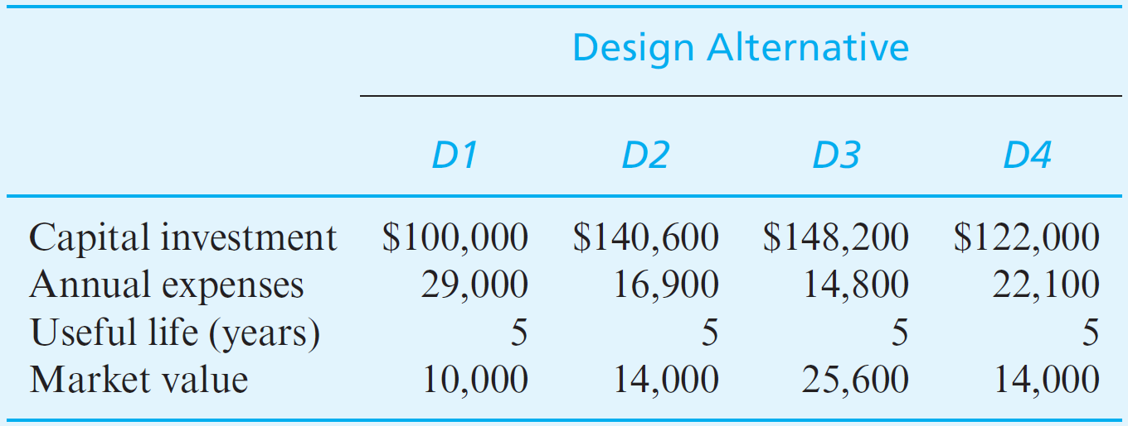
5 | $10,900 | $5,200 | $18,900

∆IRR | 20.47% | 12.31% | 20.44%
∆PW | $242.73 | ($3,048.82) | $293.25

Decision | D4 is better than D1 | D2 is not better than D4 | D3 is better than D4 | D3 is the best overall

Solution using incremental analysis using RATE and PV Functions
∆IRR | 20.47% | 12.31% | 20.44%
∆PW | $242.73 | ($3,048.82) | $293.25

